Tabelle3
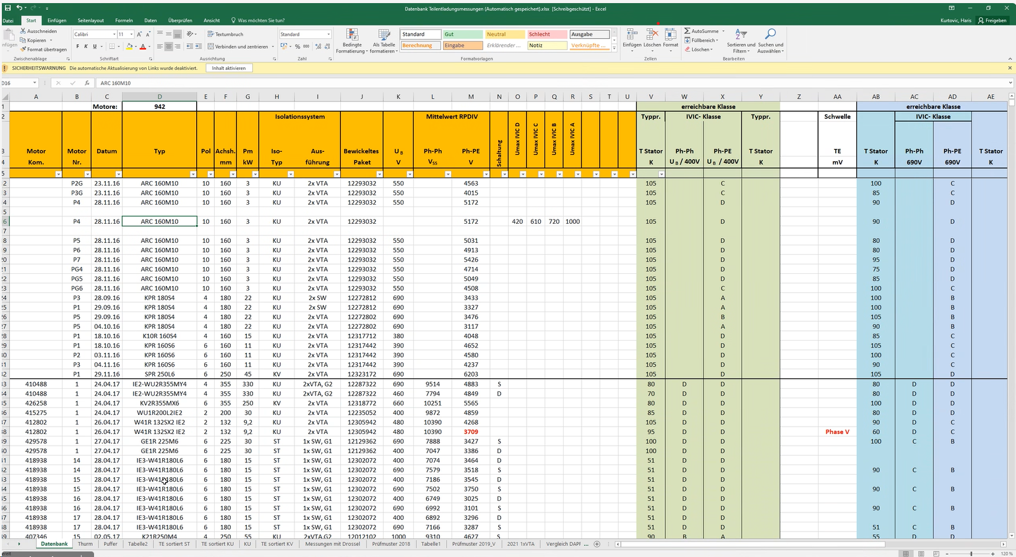

Tabelle1
Prüfmuster 2018 |  |  | Impulsmessung
Leih-VoltageAnalyzer |  |  |  |  |  |  |  |  |  |  | erreichbare Klasse
 |  |  |  |  | Isolationssystem |  |  | Mittelwert RPDIV |  | TE |  | IVIC- Klasse
Motor | Motor | Datum | Typ | Pm | Iso- | Aus- | Bewickeltes | Ph-Ph | Ph-PE | ab | Ph-Ph |  | Ph-PE |  | Drossel
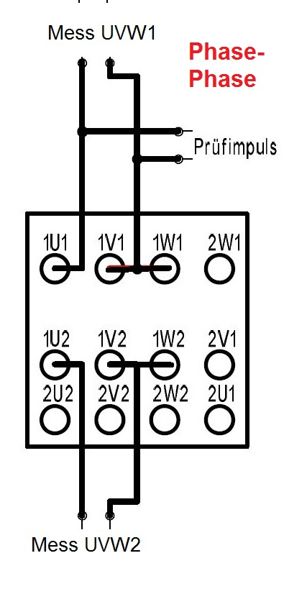
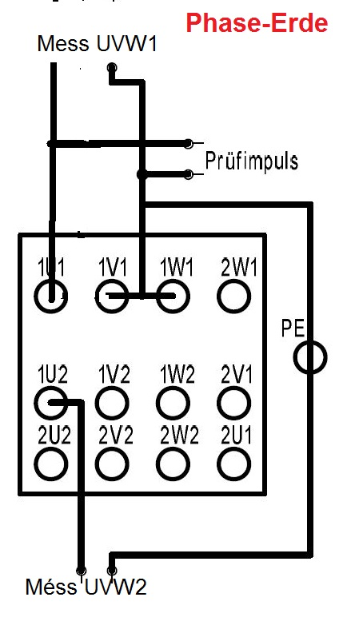
Kom. | Nr. |  |  | kW | Typ | führung | Paket | VSS | V | mV | T |  |  | T
 |  |  |  |  |  |  |  |  |  |  | K | 690V | 690V | K
432293 | 1 | 2018-09-19 13:18:38 | K20R 200M4_EB | 37 | ST | 1x SW, G1 | 12338802 | 6960 | 2908 | 70 | 90 | C | B | 80
432293 | 2 | 2018-09-19 13:07:31 | K20R 200M4_EB | 37 | ST | 1x SW, G1 | 12338802 | 7037 | 2886 | 70 | 90 | C | B | 80
432294 | 1 | 2018-09-19 11:14:43 | KU0R 200M4_EB | 37 | KU | 1x SW, G2 | 12338792 | 8770 | 4170 | 70 | 90 | D | C | 90
432294 | 2 | 2018-09-19 10:33:49 | KU0R 200M4_EB | 37 | KU | 1x SW, G2 | 12338792 | 8515 | 4186 | 70 | 90 | D | C | 90
432295 | 1 | 2018-09-19 07:39:30 | KV0R 200M4_EB | 37 | KV | 1x SW, LFg | 12338782 | 10460 | 5046 | 70 | 105 | D | D | 85
432295 | 2 | 2018-09-19 07:56:53 | KV0R 200M4_EB | 37 | KV | 1x SW, LFg | 12338782 | 10299 | 5199 | 70 | 105 | D | D | 90

432293 | 1 | 2018-05-31 07:19:04 | K20R 200M4_EB | 37 | ST | 1x SW, G1 | 12338802 | 4832 | 3247 | 150 |  |  |  |  | UVW1
432293 | 2 | 2018-05-31 07:36:21 | K20R 200M4_EB | 37 | ST | 1x SW, G1 | 12338802 | 4695 | 3147 | 150 |  |  |  |  | UVW1
432294 | 1 | 2018-05-31 08:03:45 | KU0R 200M4_EB | 37 | KU | 1x SW, G2 | 12338792 | 6300 | 4384 | 150 |  |  |  |  | UVW1
432294 | 2 | 2018-05-31 09:44:49 | KU0R 200M4_EB | 37 | KU | 1x SW, G2 | 12338792 | 6477 | 4557 | 150 |  |  |  |  | UVW1
432295 | 1 | 2018-05-31 10:44:34 | KV0R 200M4_EB | 37 | KV | 1x SW, LFg | 12338782 | 7678 | 5573 | 150 |  |  |  |  | UVW1
432295 | 2 | 2018-05-31 10:09:58 | KV0R 200M4_EB | 37 | KV | 1x SW, LFg | 12338782 | 8025 | 5769 | 150 |  |  |  |  | UVW1

432293 | 2 | 2019-06-19 07:50:18 | K20R 200M4_EB | 37 | ST | 1x SW, G1 | 12338802 | 4192 | 2684 | 60 |  |  |  |  | UVW1
432293 | 2 | 2019-06-19 07:59:09 | K20R 200M4_EB | 37 | ST | 1x SW, G1 | 12338802 | 5944 | 2871 | 60 |  |  |  |  | UVW2
432293 | 2 | 2019-06-19 08:19:42 | K20R 200M4_EB | 37 | ST | 1x SW, G1 | 12338802 | 6747 | 2816 | 60
432294 | 2 | 2019-06-19 14:08:59 | KU0R 200M4_EB | 37 | KU | 1x SW, G2 | 12338792 | 6038 | 3981 | 60 |  |  |  |  | UVW1
432294 | 2 | 2019-06-19 13:06:05 | KU0R 200M4_EB | 37 | KU | 1x SW, G2 | 12338792 | 9816 | 4155 | 60 |  |  |  |  | UVW2
432294 | 2 | 2019-06-19 14:31:44 | KU0R 200M4_EB | 37 | KU | 1x SW, G2 | 12338792 | 8295 | 4179 | 60
432295 | 2 | 2019-06-19 13:53:56 | KV0R 200M4_EB | 37 | KV | 1x SW, LFg | 12338782 | 7266 | 4934 | 60 |  |  |  |  | UVW1
432295 | 2 | 2019-06-19 13:33:12 | KV0R 200M4_EB | 37 | KV | 1x SW, LFg | 12338782 | 10500 | 5113 | 60 |  |  |  |  | UVW2
432295 | 2 | 2019-06-19 14:47:44 | KV0R 200M4_EB | 37 | KV | 1x SW, LFg | 12338782 | 10319 | 5268 | 60

